tech
 | u | A | Qair | Vreacteur |  |  | Conductivités thermiques (W/mK)
hc wood | 24 | 5.0601 | 0 | 1.0201 |  | 1W = 3,6 kJ/h | Bois | 0.12 | https://composteur.online/taille-composteur/
hc plastic | 40 | 5.0601 |  | 1.0201
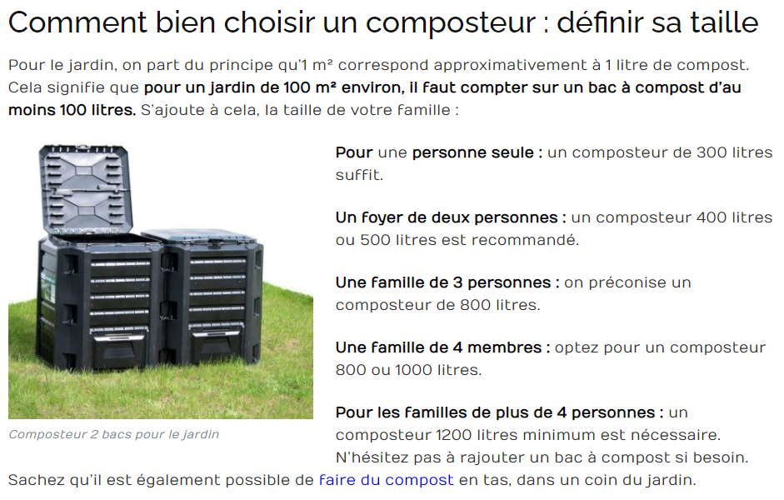
CC | 24 | 5.1 | 10 | 1.2 |  |  | Polypropylène | 0.2
IC | 14.4 | 15 | 20 |  |  |  | stainless steel | 0.04
test | 14.4 | 0.528 |  | 0.066
Unity | kJ/m2.°K.h | m2 | kg/h
Description | Heat transfer coefficient of wall | surface area of heat conduction | airflow

 | Dimensions (L*l*h) | Surface | u* (W/m2.K) |  | *
HC wood | 1,010x1,010x1 18mm épaisseur | 5.0601 | 6.6666666667 |  | En supposant des composteurs de 800 litres (3 à 4 pers) | https://www.suresnes.fr/wp-content/uploads/2019/05/fiche-technique-composteurs-bois-400-et-600-L.pdf
HC plastic | 1,010x1,010x1 18mm épaisseur | 5.0601 | 11.111111111
Community C | 1,5*1*0,8 18 mm épaisseur | 5.1 | 6.6666666667 |  | Pour 60 - 80 foyers | https://cdn.paris.fr/paris/2021/04/20/ddd25191c66e6da3abffd08d536d0fb1.pdf
pour test | 10 mm |  | 4 |  | https://www.sciencedirect.com/science/article/pii/S0956053X08001219?via%3Dihub#aep-section-id23
Industrial composting
In vessel : Electromecanic
Tas retourné
Aeration forcée
Aeration naturelle
 |  |  |  | 0.1275625
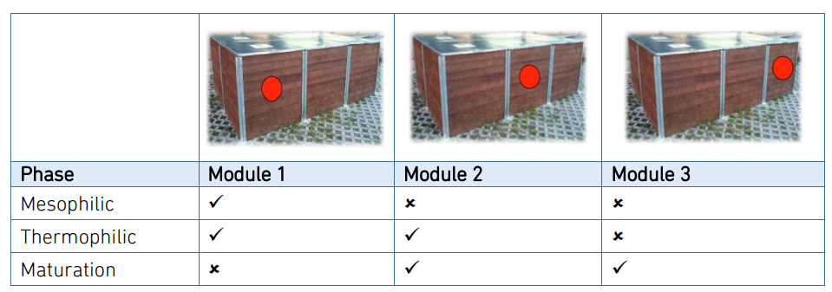
 |  |  | h | 0.33630573248 | m
 |  |  | A | 0.528 | m2

